Best-fit
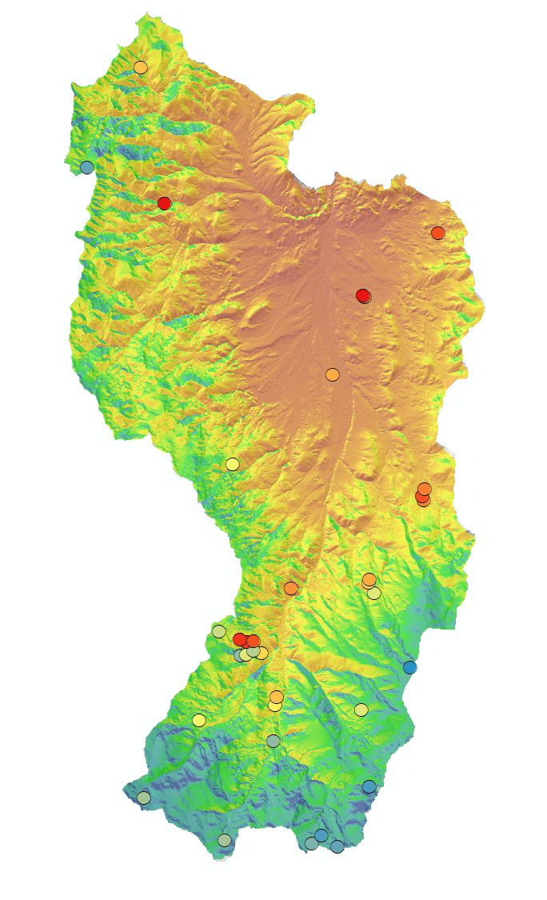
RCRK MET STATIONS
siteName | siteID | lat | long | elev | DEM | Aspect | pubMAT | pubMASM | pubSnowD | kMAT | stm010 | stm020 | stm030 | SolarIn | MATpSTM | Tsoi-Adj | pTsoi | pTsoi_diff | Elevation eqn: TSOI = -0.0087(ELEV) + 22.43
Flats weir | 057 | 43.228567 | -116.737524 | 1184 | 1186.2199707 | NA | NA | NA | NA | 9.2 | 11.69 | 11.36 | 11.24 | 544529 | 13.11 | 0.20 | 13.31 | 1.95 | Solar adj eqn: (tMOD - solIN)/solMID
Quonset | 076 | 43.205119 | -116.750273 | 1200 | 1201.8800049 | NA | NA | NA | NA | 9.0 | 11.18 | 11.33 | 11.35 | 552143 | 12.97 | 0.04 | 13.01 | 1.68 | Full eqn: TSOI = -0.0087(ELEV) + 22.43 - ((solMID - solIN)/tMOD)
Nancy Gulch Weir | 098 | 43.169028 | -116.712908 | 1412 | 1415.0899658 | NA | NA | NA | NA | 8.7 | 10.67 | 11.05 | 10.76 | 558058 | 11.12 | -0.09 | 11.03 | -0.02
Lower Sheep Creek | 127 | 43.139999 | -116.733568 | 1649 | 1651.7299805 | NA | NA | NA | NA | 8.1 | 8.96 | 8.83 | 9.18 | 585869 | 9.06 | -0.69 | 8.37 | -0.46
Reynolds Mtn | 176 | 43.065605 | -116.759135 | 2093 | 2094.9599609 | NA | NA | NA | NA | 5.0 | 7.71 | 7.57 | 7.65 | 609500 | 5.20 | -1.20 | 4.00 | -3.57

SOIL TEMP PROBES IN JOHNSTON DRAW - OPPOSING ASPECTS - FROM GODSEY ET AL
siteName | siteID | lat | long | elev | DEM | Aspect | pubMAT | pubMASM | pubSnowD | kMAT | stm010 | stm020 | stm030 | SolarIn | MATpSTM | Tsoi-Adj | pTsoi | pTsoi_diff
Johnston | jdt1 | 43.122927 | -116.782798 | 1552 | 1613.5100098 | N | 8.6 | 0.12 | 41 | 7.6 | NA | 8.80 | NA | 453728 | 9.39 | 2.16 | 7.23 | -1.57
Johnston | jdt2 | 43.122927 | -116.782798 | 1613 | 1613.5100098 | N | 8.4 | 0.12 | 31 | 7.6 | NA | 7.20 | NA | 453728 | 9.39 | 2.16 | 7.23 | 0.03
Johnston | jdt3 | 43.12188 | -116.785609 | 1655 | 1658.7299805 | N | 8.2 | 0.14 | 71 | 7.3 | NA | 7.40 | NA | 483215 | 9.00 | 1.52 | 7.48 | 0.08
Johnston | jdt4 | 43.121593 | -116.787987 | 1706 | 1706.6199951 | N | 8.0 | 0.12 | 113 | 7.1 | NA | 6.60 | NA | 500448 | 8.58 | 1.15 | 7.43 | 0.83
Johnston | jdt3b | 43.126337 | -116.788065 | 1659 | 1661.9100342 | S | 8.4 | 0.15 | 12 | 7.3 | NA | 12.70 | NA | 635761 | 8.97 | -1.77 | 10.74 | -1.96
Johnston | jdt4b | 43.126337 | -116.788065 | 1704 | 1706.5999756 | S | 8.8 | 0.15 | 14 | 7.1 | NA | 12.50 | NA | 657880 | 8.58 | -2.24 | 10.83 | -1.67
Johnston | jdt2b | 43.122927 | -116.782798 | 1611 | 1615.7099609 | S | 9.1 | 0.23 | 5 | 7.6 | NA | 12.30 | NA | 641149 | 9.37 | -1.88 | 11.26 | -1.04

ARS SOIL TEMP PROBE DATA
Probe# |  | lat | long |  | DEM | GPP |  |  |  | estTSOI | stm005 | stm005*0.9 |  | SolarIn | MATpSTM | Tsoi-Adj | pTsoi | pTsoi_diff
31 |  | 43.228567 | -116.737524 |  | 1186.25 | -100.24 |  |  |  | 10.90 | 14.35 | 12.92 |  | 544529 | 12.11 | 0.20 | 11.91 | 1.01
30 |  | 43.228152 | -116.737018 |  | 1188.32 | -66.24 |  |  |  | 11.07 | 11.87 | 10.68 |  | 548792 | 12.09 | 0.11 | 11.98 | -1.30
29 |  | 43.205119 | -116.750273 |  | 1201.90 | -27.90 |  |  |  | 10.93 | 10.04 | 9.04 |  | 552143 | 11.97 | 0.04 | 11.94 | -2.90
32 |  | 43.24706 | -116.707054 |  | 1284.17 | -205.99 |  |  |  | 11.34 | 12.65 | 11.39 |  | 570638 | 11.26 | -0.36 | 11.62 | -0.24
33 |  | 43.256298 | -116.8183291 |  | 1383.91 | 465.42 |  |  |  | 12.26 | 14.35 | 12.92 |  | 619051 | 10.39 | -1.41 | 11.80 | 1.12
27 |  | 43.170833 | -116.712683 |  | 1400.00 | 5.66 |  |  |  | 10.92 | 10.90 | 9.81 |  | 556788 | 10.25 | -0.06 | 10.31 | -0.50
26 |  | 43.168758 | -116.713675 |  | 1415.16 | 61.11 |  |  |  | 10.85 | 12.31 | 11.08 |  | 558058 | 10.12 | -0.09 | 10.21 | 0.87
25 |  | 43.167545 | -116.713205 |  | 1424.26 | -12.92 |  |  |  | 10.53 | 10.90 | 9.81 |  | 544464 | 10.04 | 0.20 | 9.84 | -0.03
22 |  | 43.141415 | -116.767242 |  | 1461.27 | 179.55 |  |  |  | 11.09 | 10.49 | 9.44 |  | 565022 | 9.72 | -0.24 | 9.96 | -0.52
28 |  | 43.178476 | -116.791007 |  | 1534.68 | 194.71 |  |  |  | 10.97 | 9.14 | 8.23 |  | 584448 | 9.08 | -0.66 | 9.74 | -1.51
15 |  | 43.122318 | -116.779436 |  | 1552.94 | 654.95 |  |  |  | 8.44 | 9.52 | 8.57 |  | 502354 | 8.92 | 1.11 | 7.81 | 0.76
35 |  | 43.296789 | -116.828 |  | 1571.51 | 470.76 |  |  |  | 10.83 | 9.58 | 8.62 |  | 598337 | 8.76 | -0.96 | 9.72 | -1.10
10 |  | 43.106782 | -116.773884 |  | 1585.96 | 318.50 |  |  |  | 10.61 | 9.30 | 8.37 |  | 581359 | 8.63 | -0.59 | 9.23 | -0.86
11 |  | 43.109181 | -116.773295 |  | 1595.60 | 373.48 |  |  |  | 10.65 | 9.70 | 8.73 |  | 584121 | 8.55 | -0.65 | 9.20 | -0.47
16 |  | 43.122927 | -116.782798 |  | 1612.94 | 706.65 |  |  |  | 6.44 | 7.46 | 6.71 |  | 450645 | 8.40 | 2.22 | 6.17 | 0.54
18 |  | 43.125801 | -116.782742 |  | 1615.67 | 341.00 |  |  |  | 12.29 | 12.37 | 11.13 |  | 641731 | 8.37 | -1.89 | 10.27 | 0.86
24 |  | 43.143965 | -116.735347 |  | 1618.22 | -85.76 |  |  |  | 10.46 | 9.80 | 8.82 |  | 561555 | 8.35 | -0.17 | 8.52 | 0.30
23 |  | 43.143045 | -116.7356 |  | 1625.19 | -63.86 |  |  |  | 10.30 | 9.50 | 8.55 |  | 557652 | 8.29 | -0.08 | 8.37 | 0.18
21 |  | 43.139999 | -116.733568 |  | 1651.72 | -59.96 |  |  |  | 11.14 | 8.74 | 7.87 |  | 585869 | 8.06 | -0.69 | 8.75 | -0.88
7 |  | 43.096138 | -116.774549 |  | 1654.74 | 444.80 |  |  |  | 10.61 | 7.18 | 6.46 |  | 589772 | 8.03 | -0.77 | 8.81 | -2.35
14 |  | 43.12188 | -116.785609 |  | 1658.30 | 877.69 |  |  |  | 7.27 | 8.72 | 7.85 |  | 480689 | 8.00 | 1.58 | 6.43 | 1.42
17 |  | 43.125683 | -116.78562 |  | 1662.29 | 422.19 |  |  |  | 11.73 | 12.99 | 11.69 |  | 635730 | 7.97 | -1.77 | 9.73 | 1.96
13 |  | 43.121593 | -116.787987 |  | 1706.03 | 694.30 |  |  |  | 7.67 | 7.17 | 6.45 |  | 501206 | 7.59 | 1.13 | 6.45 | 0.00
19 |  | 43.126337 | -116.788065 |  | 1706.90 | 304.95 |  |  |  | 12.37 | 13.17 | 11.85 |  | 657985 | 7.58 | -2.25 | 9.83 | 2.03
20 |  | 43.128604 | -116.79661 |  | 1779.34 | 935.74 |  |  |  | 10.95 | 8.26 | 7.43 |  | 620459 | 6.95 | -1.44 | 8.39 | -0.95
34 |  | 43.266852 | -116.849919 |  | 1792.96 |  |  |  |  |  | 6.39 | 5.75 |  | 604698 | 6.83 | -1.10 | 7.93 | -2.18
8 |  | 43.102261 | -116.804959 |  | 1816.44 | 648.57 |  |  |  | 9.85 | 9.17 | 8.25 |  | 580679 | 6.63 | -0.58 | 7.21 | 1.05
9 |  | 43.105213 | -116.738698 |  | 1872.29 | -59.51 |  |  |  | 9.98 | 8.53 | 7.68 |  | 603681 | 6.14 | -1.07 | 7.22 | 0.46
12 |  | 43.117904 | -116.718825 |  | 1981.63 | 1045.73 |  |  |  | 7.84 | 4.67 | 4.20 |  | 544849 | 5.19 | 0.19 | 5.00 | -0.79
6 |  | 43.082244 | -116.735597 |  | 2002.95 | 665.90 |  |  |  | 8.55 | 6.08 | 5.47 |  | 581540 | 5.00 | -0.60 | 5.60 | -0.13
4 |  | 43.067954 | -116.755091 |  | 2052.37 | 740.52 |  |  |  | 9.03 | 5.92 | 5.33 |  | 605851 | 4.57 | -1.12 | 5.70 | -0.37
3 |  | 43.06652 | -116.794464 |  | 2075.06 | 943.93 |  |  |  | 9.20 | 7.22 | 6.50 |  | 609889 | 4.38 | -1.21 | 5.59 | 0.91
2 |  | 43.065605 | -116.759135 |  | 2094.94 | 834.51 |  |  |  | 9.00 | 7.07 | 6.36 |  | 609500 | 4.20 | -1.20 | 5.40 | 0.96
1 |  | 43.064483 | -116.74862 |  | 2110.53 | 369.92 |  |  |  | 8.01 | 6.20 | 5.58 |  | 582021 | 4.07 | -0.61 | 4.68 | 0.90
5 |  | 43.079245 | -116.827335 |  | 2170.21 | 637.96 |  |  |  | 8.79 | 7.25 | 6.53 |  | 621408 | 3.55 | -1.46 | 5.01 | 1.52

TSOI v ELEV Trendline @ mid sol
Probe# | lat | long | DEM | GPP | estTSOI | stm005 | stm005*0.9 | SolarIn
16 | 43.122927 | -116.782798 | 1612.9399414 | 706.6500244 | 6.4355302 | 7.46 | 6.71 | 450645
14 | 43.12188 | -116.785609 | 1658.3000488 | 877.6929932 | 7.2716298 | 8.72 | 7.85 | 480689
13 | 43.121593 | -116.787987 | 1706.0300293 | 694.3010254 | 7.6715498 | 7.17 | 6.45 | 501206
1706.0300293 | 7.17
1552.9399414 | 9.52
1424.2600098 | 10.9
1186.25 | 14.35
1981.6300049 | 4.67
1188.3199463 | 11.87
1400 | 10.9
1625.1899414 | 9.5
1415.1600342 | 12.31
1618.2199707 | 9.8
1461.2700195 | 10.49
1284.1700439 | 12.65
1816.4399414 | 9.17
1585.9599609 | 9.3
2002.9499512 | 6.08
2110.5300293 | 6.2
15 | 43.122318 | -116.779436 | 1552.9399414 | 654.947998 | 8.44452 | 9.52 | 8.57 | 502354
25 | 43.167545 | -116.713205 | 1424.2600098 | -12.9166002 | 10.5282001 | 10.9 | 9.81 | 544464
31 | 43.228567 | -116.737524 | 1186.25 | -100.2399979 | 10.8996 | 14.35 | 12.92 | 544529
12 | 43.117904 | -116.718825 | 1981.6300049 | 1045.7299805 | 7.84062 | 4.67 | 4.20 | 544849
30 | 43.228152 | -116.737018 | 1188.3199463 | -66.2406998 | 11.0707998 | 11.87 | 10.68 | 548792

27 | 43.170833 | -116.712683 | 1400 | 5.6619 | 10.9247999 | 10.9 | 9.81 | 556788
23 | 43.143045 | -116.7356 | 1625.1899414 | -63.8632011 | 10.3006001 | 9.5 | 8.55 | 557652
26 | 43.168758 | -116.713675 | 1415.1600342 | 61.108799 | 10.8465996 | 12.31 | 11.08 | 558058
24 | 43.143965 | -116.735347 | 1618.2199707 | -85.7556 | 10.4605999 | 9.8 | 8.82 | 561555
22 | 43.141415 | -116.767242 | 1461.2700195 | 179.5460052 | 11.092 | 10.49 | 9.44 | 565022
32 | 43.24706 | -116.707054 | 1284.1700439 | -205.9909973 | 11.3364 | 12.65 | 11.39 | 570638
8 | 43.102261 | -116.804959 | 1816.4399414 | 648.5739746 | 9.8503799 | 9.17 | 8.25 | 580679
10 | 43.106782 | -116.773884 | 1585.9599609 | 318.5029907 | 10.6143999 | 9.3 | 8.37 | 581359
6 | 43.082244 | -116.735597 | 2002.9499512 | 665.8980103 | 8.5528002 | 6.08 | 5.47 | 581540
1 | 43.064483 | -116.74862 | 2110.5300293 | 369.9230042 | 8.0058498 | 6.2 | 5.58 | 582021
11 | 43.109181 | -116.773295 | 1595.5999756 | 373.4849854 | 10.6459999 | 9.7 | 8.73 | 584121
28 | 43.178476 | -116.791007 | 1534.6800537 | 194.7079926 | 10.9657001 | 9.14 | 8.23 | 584448
21 | 43.139999 | -116.733568 | 1651.7199707 | -59.9637985 | 11.1407003 | 8.74 | 7.87 | 585869
7 | 43.096138 | -116.774549 | 1654.7399902 | 444.7980042 | 10.6063995 | 7.18 | 6.46 | 589772
35 | 43.296789 | -116.828 | 1571.5100098 | 470.7590027 | 10.8267002 | 9.58 | 8.62 | 598337
9 | 43.105213 | -116.738698 | 1872.2900391 | -59.5065994 | 9.9816599 | 8.53 | 7.68 | 603681
34 | 43.266852 | -116.849919 | 1792.9599609 |  |  | 6.39 | 5.75 | 604698
4 | 43.067954 | -116.755091 | 2052.3701172 | 740.5159912 | 9.0313902 | 5.92 | 5.33 | 605851
2 | 43.065605 | -116.759135 | 2094.9399414 | 834.5059814 | 9.00492 | 7.07 | 6.36 | 609500
3 | 43.06652 | -116.794464 | 2075.0600586 | 943.9310303 | 9.1973305 | 7.22 | 6.50 | 609889
33 | 43.256298 | -116.8183291 | 1383.9100342 | 465.4179993 | 12.2587004 | 14.35 | 12.92 | 619051
20 | 43.128604 | -116.79661 | 1779.3399658 | 935.7410278 | 10.9475002 | 8.26 | 7.43 | 620459
5 | 43.079245 | -116.827335 | 2170.2099609 | 637.9559937 | 8.7871599 | 7.25 | 6.53 | 621408
17 | 43.125683 | -116.78562 | 1662.2900391 | 422.1889954 | 11.7315998 | 12.99 | 11.69 | 635730
18 | 43.125801 | -116.782742 | 1615.6700439 | 340.9970093 | 12.2889004 | 12.37 | 11.13 | 641731
19 | 43.126337 | -116.788065 | 1706.9000244 | 304.9530029 | 12.3659 | 13.17 | 11.85 | 657985

